Algorithm Results
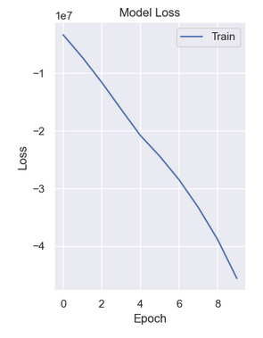
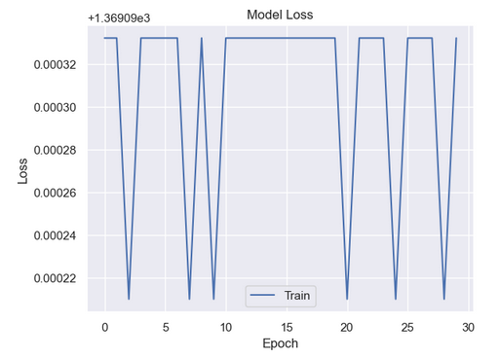
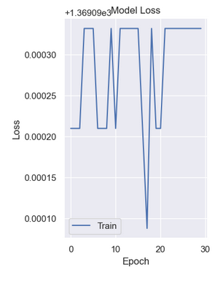
Algorithm 1 | Logistic Regression
Target Var | Gender | Train | Test
 | Initial Result | 0.620915 | 0.571429
 | With GridSearch CV
 | GridSearch CV - attempt 1 | 0.620915 | 0.571429
 | GridSearch CV - attempt 2 | 0.620915 | 0.571429
 | GridSearch CV - attempt 3 | 0.620915 | 0.571429 |  |  | Accuracy Result
 | GridSearch CV - attempt 4 | 0.620915 | 0.571429 |  | Algorithm 1 - Logistic Regression | 62%
 |  |  |  |  | Algorithm 2 - Decision Tree | 71%
Algorithm 2 | Decision Tree - grouped tenure |  |  |  | Algorithm 3 - Support Vector Machines (SVM) | 70%
Target Var |  | Test Accuracy |  |  | Algorithm 4 - Random Forest | 73%
 | Initial Result | 0.53246753 |  |  | Algorithm5 - Multi-Layer Perceptron (MLP) | 67%
 | with FeatureSelection
 | @ 5 Features selected | 0.610389
 | @ 10 Features selected | 0.57142857 |  |  |  | Accuracy result by variable for each modle |  |  | Accuracy results using Test Data
 | @ 4 Features selected | 0.6233766233 |  |  |  | Gender | Studied_Credits | Tenure | Gender | Studied_Credits | Tenure
 | @ 1 Feature selected | 0.6233766233 |  |  | Algorithm 1 - Logistic Regression | 62.09% | 66.99% | 9.09% | 79.33% | 79.33% | 0.00%
 |  |  |  |  | Algorithm 2 - Decision Tree | 51.95% | 70.13% | 10.39% | 79.33% | 92.00% | 4.00%
Algorithm 2 | Decision Tree - ungrouped Tenure | Target Var |  |  | Algorithm 3 - Support Vector Machines (SVM) | 57.14% | 67.53% | 5.19% | 20.67% | 92.00% | 2.67%
Target Var |  | Test Accuracy |  |  | Algorithm 4 - Random Forest | 63.64% | 70.13% | 5.19% | 79.33% | 92.00% | 4.67%
 | with FeatureSelection |  |  |  | Algorithm5 - Multi-Layer Perceptron (MLP) | 57.14% | 0.00% | 42.86% | 79.33% | 0.00% | 79.33%
 | @ 1 Feature selected | 0.6233766233
 | @ 5 Features selected | 0.610389
 | @ 10 Features selected | 0.57142857

Algorithm 2 | Decision Tree - categorical data
Target Var | studied_credits | Test Accuracy
 | Initial Result | 0.57142857142
 | with GridSearchCV | 0.712987000
Target Var | Tenure | 0.103896104
Target Var | gender | 0.5454545454

Algorithm 3 | SVM
Target Var | Studied Credits | Test Accuracy
 | Linear | 0.68831168831
 | rbf (default) | 0.7012987013
 | poly | 0.7012987013
 | sigmoid | 0.7012987013
 | with Hyperparm Tuning
 | with GridSearch CV + rbf | 0.70129871098
 | with GridSearch CV + param_grid | 0.70129871098

Algorithm 4 | Random Forest
Target Var | Studied Credits | Test Accuracy
criterion='entropy' | Initial Result - 100 trees | 0.64935064935
 | `@150 trees | 0.66233766234
 | `@200 trees | 0.66233766234
 | with GridSearch CV + param_grid
 | `@200 trees | 0.72727272727

criterion='gini' | `@200 trees | 0.64935064935
 | with GridSearch CV + param_grid
 | `@200 trees | 0.68831168831

Algorithm 5 | MLP - Sequential
Test 1 | 20 neurons + 10
Test 2 | 32 neurons + 16
 | 32 neurons + 16 with Hyperparmameter Tuning
Test 3 | 50 neurons + 20

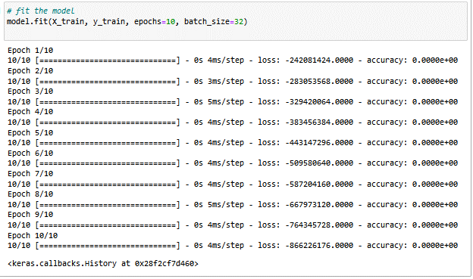

Test 1 |  | Test 2 |  | Test 3

Graphing the Results
Accuracy Results by Gender
 | Gender | Gender - test
Algorithm 1 - Logistic Regression | 62.09% | 79.33%
Algorithm 2 - Decision Tree | 51.95% | 79.33%
Algorithm 3 - Support Vector Machines (SVM) | 57.14% | 20.67%
Algorithm 4 - Random Forest | 63.64% | 79.33%
Algorithm5 - Multi-Layer Perceptron (MLP) | 57.14%

 | Gender | Gender - test
Algorithm 1 - Logistic Regression | 62.09% | 79.33%
Algorithm 2 - Decision Tree | 51.95% | 79.33%
Algorithm 3 - Support Vector Machines (SVM) | 57.14% | 20.67%
Algorithm 4 - Random Forest | 63.64% | 79.33%
Algorithm5 - Multi-Layer Perceptron (MLP) | 57.14%

Accuracy Results by Studied_Credits
 | Studied_Credits | Studied_Credits - test
Algorithm 1 - Logistic Regression | 66.99% | 79.33%
Algorithm 2 - Decision Tree | 70.13% | 92.00%
Algorithm 3 - Support Vector Machines (SVM) | 67.53% | 92.00%
Algorithm 4 - Random Forest | 70.13% | 92.00%
Algorithm5 - Multi-Layer Perceptron (MLP) | 0.00%
 | Studied_Credits | Studied_Credits - test
Algorithm 1 - Logistic Regression | 66.99% | 79.33%
Algorithm 2 - Decision Tree | 70.13% | 92.00%
Algorithm 3 - Support Vector Machines (SVM) | 67.53% | 92.00%
Algorithm 4 - Random Forest | 70.13% | 92.00%
Algorithm5 - Multi-Layer Perceptron (MLP) | 0.00%

Accuracy Results by Tenure
 | Tenure | Tenure -test
Algorithm 1 - Logistic Regression | 9.09% | 0.00%
Algorithm 2 - Decision Tree | 10.39% | 4.00%
Algorithm 3 - Support Vector Machines (SVM) | 5.19% | 2.67%
Algorithm 4 - Random Forest | 5.19% | 4.67%
Algorithm 5 - Multi-Layer Perceptron (MLP) | 42.86%
 | Tenure | Tenure -test
Algorithm 1 - Logistic Regression | 9.09% | 0.00%
Algorithm 2 - Decision Tree | 10.39% | 4.00%
Algorithm 3 - Support Vector Machines (SVM) | 5.19% | 2.67%
Algorithm 4 - Random Forest | 5.19% | 4.67%
Algorithm 5 - Multi-Layer Perceptron (MLP) | 42.86%

